Sales Forecast Sheet
Month | Advertising Spend ($) | Forecast(Advertising Spend ($)) | Lower Confidence Bound(Advertising Spend ($)) | Upper Confidence Bound(Advertising Spend ($)) | Statistic | Value
1-Jan-24 | 500 |  |  |  | Alpha | 1.00
1-Feb-24 | 700 |  |  |  | Beta | 0.10
1-Mar-24 | 800 |  |  |  | Gamma | 0.00
1-Apr-24 | 950 |  |  |  | MASE | 0.53
1-May-24 | 975 |  |  |  | SMAPE | 0.05
1-Jun-24 | 1010 |  |  |  | MAE | 47.24
1-Jul-24 | 1000 |  |  |  | RMSE | 57.28
1-Aug-24 | 900
1-Sep-24 | 850
1-Oct-24 | 950
1-Nov-24 | 1000
1-Dec-24 | 1050 | 1050 | 1050.00 | 1050.00
1-Jan-25 |  | 1087.0970315 | 924.47 | 1249.72
1-Feb-25 |  | 1124.222712 | 882.82 | 1365.62
1-Mar-25 |  | 1161.3483925 | 851.34 | 1471.36

 | Advertising Spend ($) | Forecast(Advertising Spend ($)) | Lower Confidence Bound(Advertising Spend ($)) | Upper Confidence Bound(Advertising Spend ($))
 | 500
 | 700
 | 800
 | 950
 | 975
 | 1010
 | 1000
 | 900
 | 850
 | 950
 | 1000
 | 1050 | 1050 | 1050 | 1050
 |  | 1087.0970315 | 924.47055222 | 1249.7235108
 |  | 1124.222712 | 882.82184834 | 1365.6235756
 |  | 1161.3483925 | 851.3401334 | 1471.3566515

Subscription
Id | Month | Number of Subscribers | Change | % Change
1 | Jan | 1,000 | 0 | 0
2 | Feb | 1,030 | 30 | 3%
3 | Mar | 1,061 | 31 | 3%
4 | Apr | 1,093 | 32 | 3%
5 | May | 1,126 | 33 | 3%
6 | Jun | 1,160 | 34 | 3%
7 | Jul | 1,195 | 35 | 3%
8 | Aug | 1,231 | 36 | 3%
9 | Sep | 1,268 | 37 | 3%
10 | Oct | 1,306 | 38 | 3%
11 | Nov | 1,345 | 39 | 3%
12 | Dec | 1,386 | 41 | 3%

 | 1411.1666667 | =FORECAST.LINEAR(13, C2:C13, A2:A13)

 | 1411.164 | y = 35.038x + 955.67

House Prices
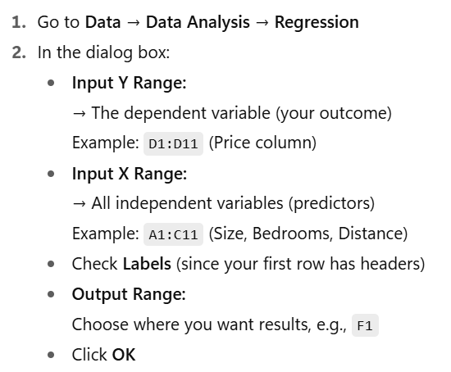
Size (sqft) | Bedrooms | Distance to City (km) | Price ($)
1000 | 2 | 8 | 150000 | SUMMARY OUTPUT
1500 | 3 | 5 | 220000
1800 | 4 | 12 | 210000 | Regression Statistics
2000 | 4 | 7 | 250000 | Multiple R | 0.99226166999
2200 | 5 | 10 | 260000 | R Square | 0.98458322174
2500 | 5 | 15 | 280000 | Adjusted R Square | 0.9768748326
2700 | 5 | 20 | 300000 | Standard Error | 11063.870002
3000 | 6 | 5 | 350000 | Observations | 10
3200 | 6 | 3 | 400000
3500 | 7 | 25 | 320000 | ANOVA
 |  |  |  |  | df | SS | MS | F | Significance F
 |  |  |  | Regression | 3 | 46905544683 | 15635181561 | 127.72879065 | 7.9689854496E-06
 |  |  |  | Residual | 6 | 734455316.54 | 122409219.42
 |  |  |  | Total | 9 | 47640000000

 |  |  |  |  | Coefficients | Standard Error | t Stat | P-value | Lower 95% | Upper 95% | Lower 95.0% | Upper 95.0%
 |  |  |  | Intercept | 94451.760734 | 12393.173239 | 7.621273334 | 0.00026602962009 | 64126.758261 | 124776.76321 | 64126.758261 | 124776.76321
 |  |  |  | Size (sqft) | 148.80434399 | 24.630594654 | 6.0414434194 | 0.00093029119627 | 88.535450029 | 209.07323795 | 88.535450029 | 209.07323795
 |  |  |  | Bedrooms | -27414.229003 | 13096.086942 | -2.093314524 | 0.081225101344 | -59459.199344 | 4630.7413383 | -59459.199344 | 4630.7413383
 |  |  |  | Distance to City (km) | -3618.8226686 | 565.06459482 | -6.4042636926 | 0.00068323873425 | -5001.4859223 | -2236.1594149 | -5001.4859223 | -2236.1594149

 |  |  |  | Price=94,451.76+(148.80×Size)−(27,414.23×Bedrooms)−(3,618.82×Distance)

 |  |  |  | If a house = 2000 sqft, 4 bedrooms, 10 km from city:
 |  |  |  | $246,206.64 | =94451.76+(148.8*2000)-(27414.23*4)-(3618.82*10)

